Application Screen
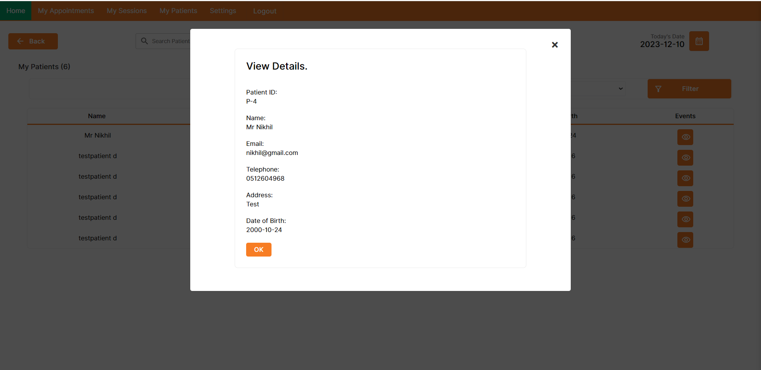

Test case 4
Test Case: 5
TC Title: | TC5. Access Patients' Medical Records- Data Flow In
 |  |  |  |  | data flow diagram
TC Objective: | Validate secure user authentication, efficient data retrieval, accurate access logging, concurrent access management, and secure logout in the patient medical records access process.
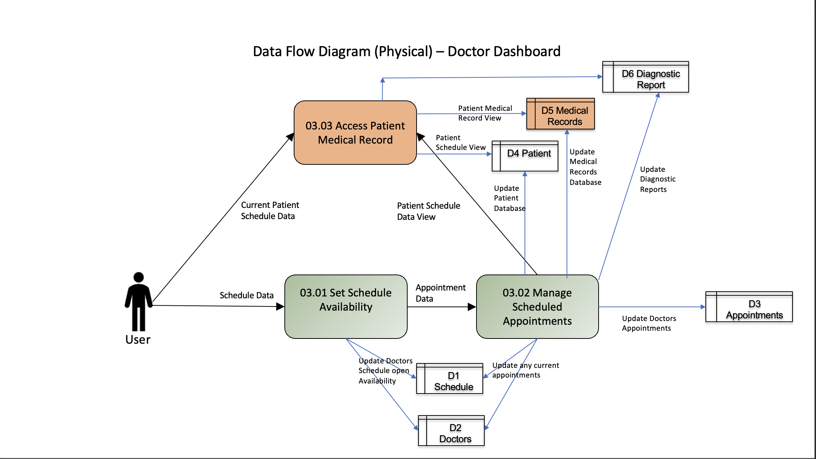

TC Description | Step | Step Description | Expected Results
 | 1 | Log in to the doctor's dashboard using valid credentials. | Successful authentication, providing access to the doctor's dashboard.
 | 2 | Search for a patient's medical record by entering relevant criteria in the dashboard. | Quick retrieval of accurate patient data based on the specified search criteria.
 | 3 | Review the dashboard's activity log for recorded access events. | Detailed access logs displaying the doctor's interactions with patient records.
 | 4 | Attempt to access a patient record simultaneously from another account. | The system prevents simultaneous access, ensuring data integrity and security.
 | 5 | Log out securely from the doctor's dashboard. | Successful logout, terminating the active session and preventing unauthorized access to patient records.

 |  |  |  | Data flow Tested in this test design

